KPIs
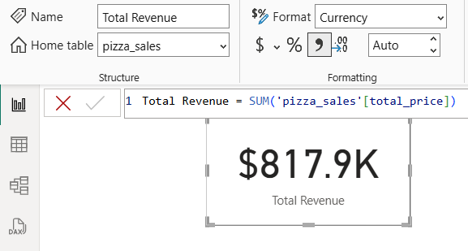
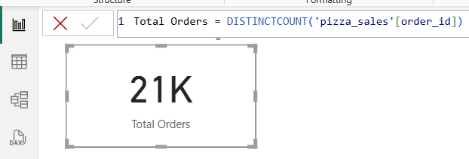
Total Revenue: | Total Orders

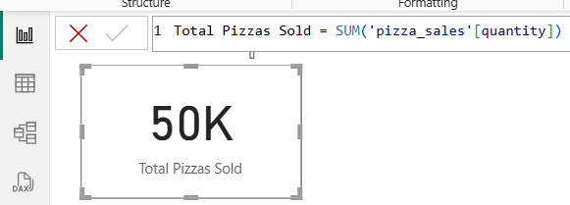
 | Total Pizzas Sold

Average Order Value

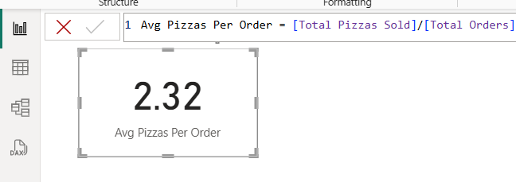

Average Pizzas Per Order

Charts
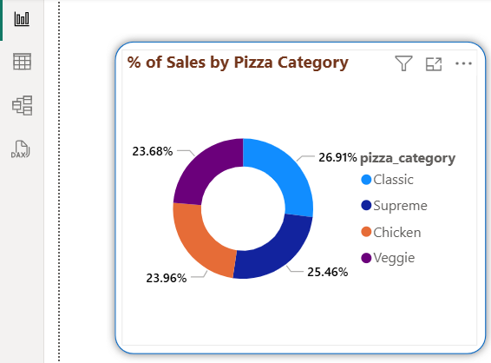
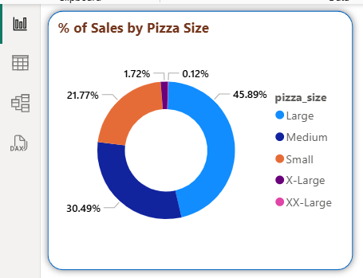
Daily Trend for Total Orders: |  | Monthly Trend for Total Orders:
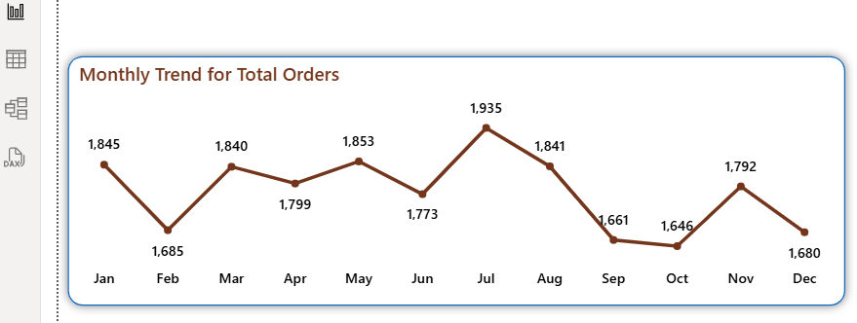
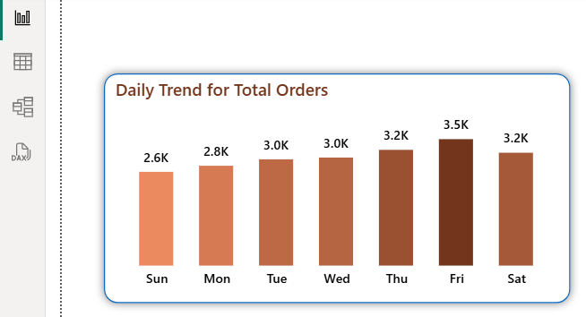

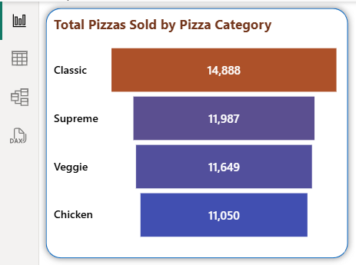
Percentage of Sales by Pizza Category: | Total Pizzas Sold by Pizza Size: |  | Total Pizzas Sold by Pizza Category:

